summary
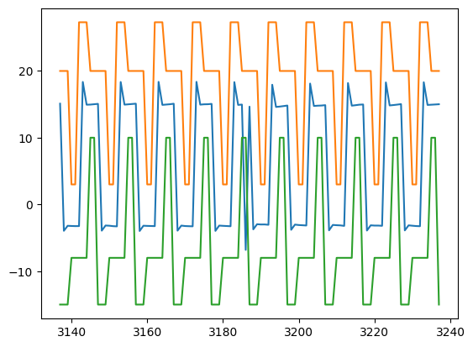
SignalDetect | Glitches Detected | RowDetected
DUT4_Gate_B_Signal | Yes | [319, 320]

